RADIATOR ASSY
PART NAME | PART NUMBER | IMAGE | WIDTH (mm) | HEIGHT (mm) | THICKNESS (mm) | No. OF TUBES | FIN PITCH (mm) | FPDM
RADIATOR ASSY | 0304AAM01501N | 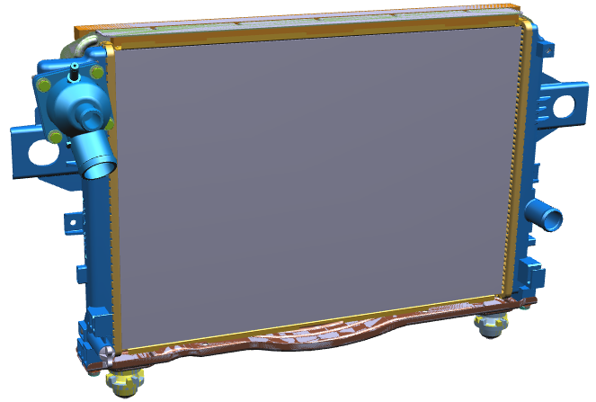 | 353.7 | S | 16 | 52 | 2 | 100
RADIATOR ASSY | 0304AAB00970N | 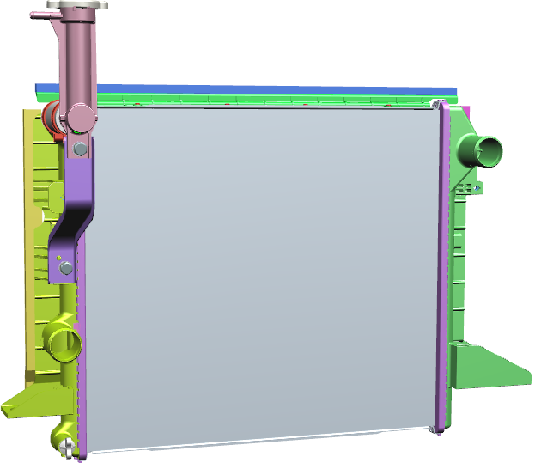 | 402.6 | 453 | 16 | 46 | 2.75 | 73
RADIATOR ASSY | 0304AAB00911N |  | 488.2 | 360 | 24 | 49 | 2.75 | 73
RADIATOR ASSY | 0304AAM02561N | 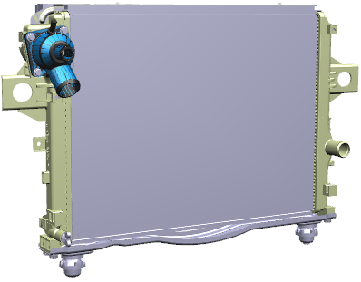 | 381.5 | 515 | 16.25 | 57 | 2 | 100
RADIATOR ASSY | 0304AAC00521N | 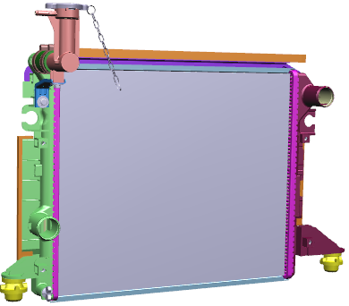 | 381.5 | 453 | 12 | 57 | 2.5 | 80
RADIATOR ASSY | 0304AAB01151N |  | 381.5 | 515 | 12 | 57 | 2.25 | 90
RADIATOR ASSY BSIII | 0304AAU00251N | 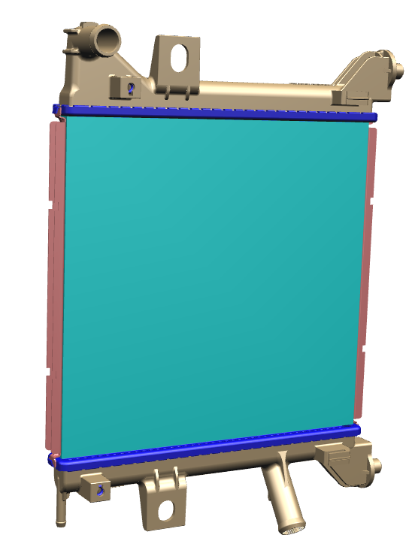 | 300 | 312.1 | 14 | 42 | 3.3 | 60
RADIATOR ASSY BSIV | 0304AAU00261N |  | 300 | 312.1 | 14 | 42 | 2.35 | 85
RADIATOR ASSY DIESEL | 0304AAZ00071N | 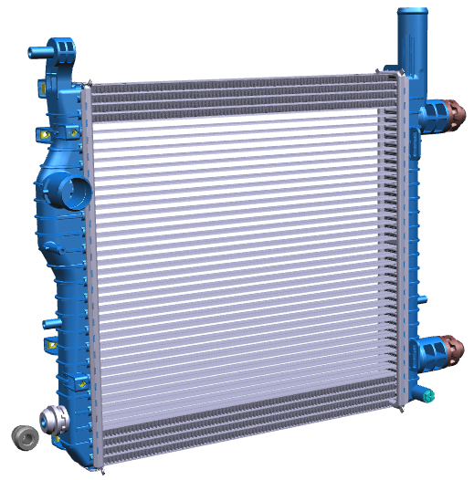 | 408.3 | 400 | 26 | 40 | 2.6 | 75
RADIATOR ASSY | 0304AAU00121N |  | 408.3 | 400 | 16 | 40 | 2.6 | 75
RADIATOR ASSEMBLY | 0304AAM01291N | 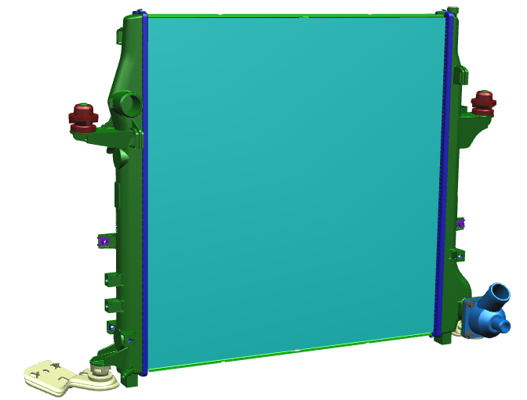 | 550 | 560.08 | 25.2 | 79 | 2.25 | 90
RADIATOR ASSY 24 MM CORE | 0304AAU00201N | 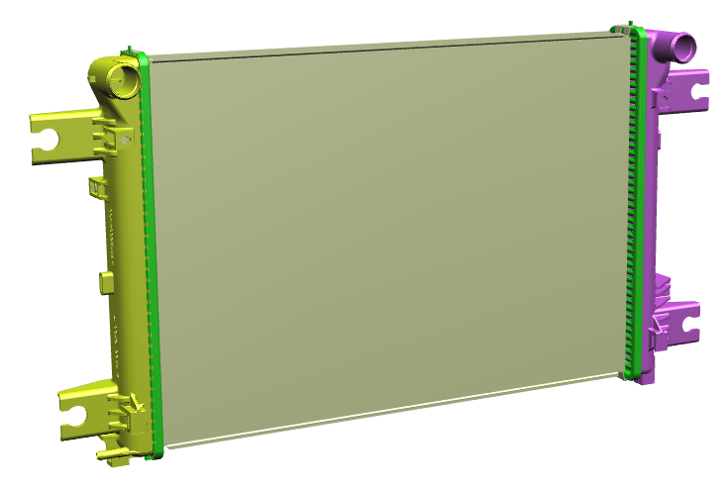 | 349.2 | 515 | 24 | 44 | 2.25 | 90
RADIATOR ASSY 16 MM CORE | 0304AAU00191N | 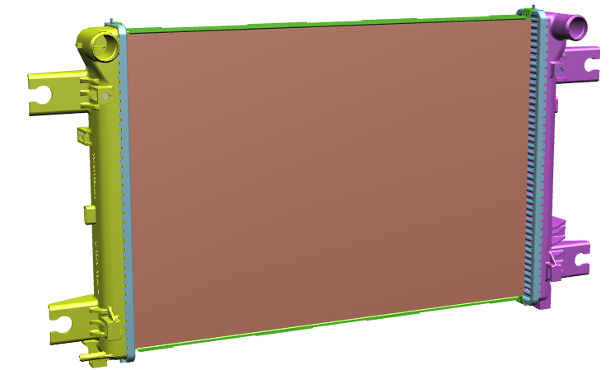 | 346.2 | 515 | 16.25 | 46 | 2.75 | 73
RADIATOR ASSY 1.5 LTR DIESEL | 0304AAM00641N | 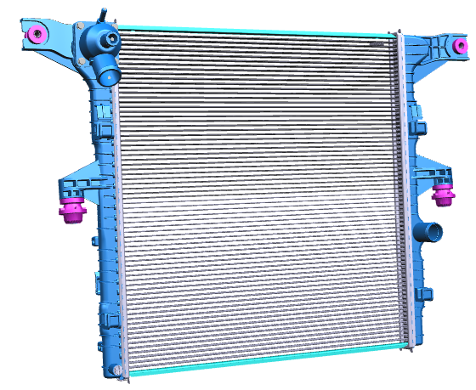 | 566 | 550 | 16 | 70 | 2.35 | 85
RADIATOR | 0304ABH00361N | 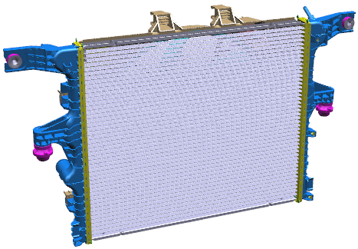 | 458.3 | 550 | 26 | NA | 2.6 | 75
RADIATOR ASSY BSG | 0304AAM01631N | 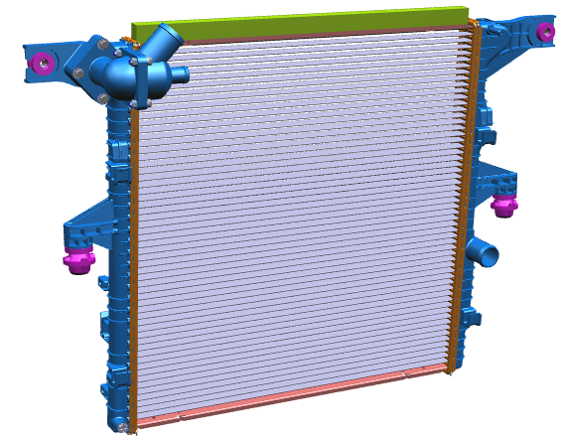 | 568.3 | 550 | 26 | NA | 2.25 | 90
ASSY RADIATOR | 0304AM0051N | 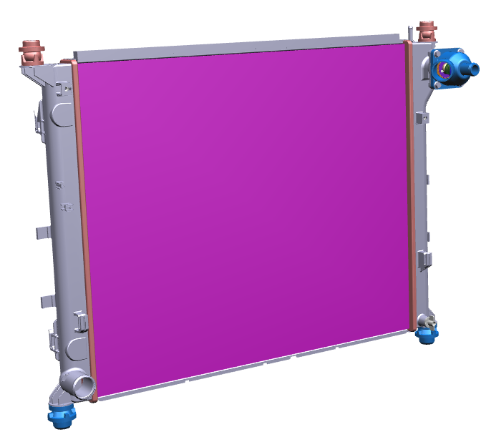 | 650 | 532.5 | 25.9 | 71 | 2.25 | 90
ASSY RADIATOR | 0304AAS00181N | 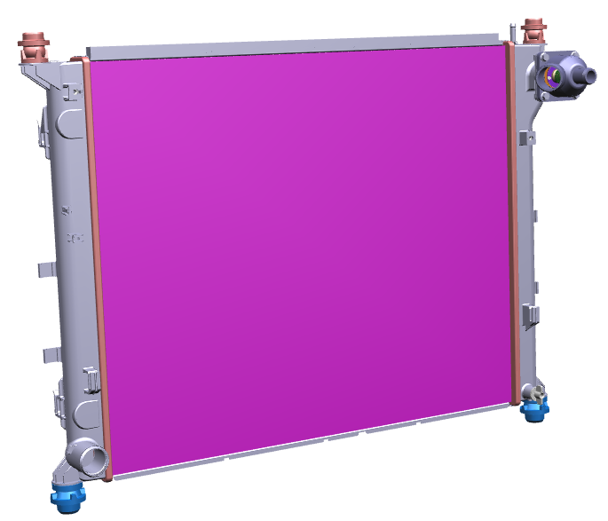 | 650 | 532.5 | 25.9 | 71 | 2.25 | 90
RADIATOR ASSEMBLY | 0304ABF00121N | 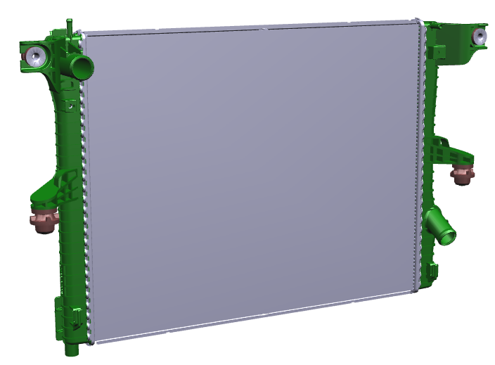 | 632 | 495.5 | 25.2 | 70 | 2.25 | 90
RADIATOR ASSY | 0304ABF00151N | 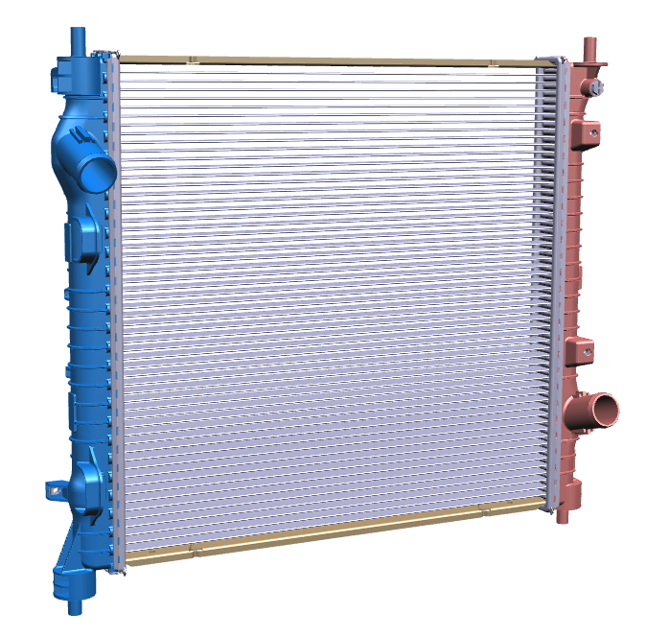 | 480 | 462.3 | 26 | 57 | 2.25 | 90
RADIATOR ASSY | 0304AC0121N | 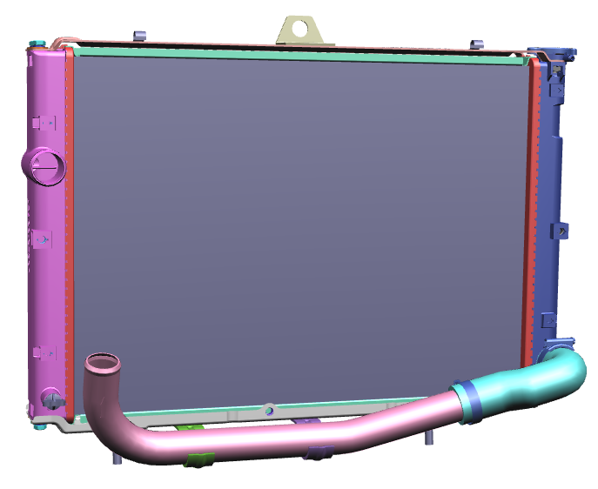 | 400 | 550 | 48 | 80 | 2.75 | 73
RADIATOR ASSY MHAWK | 0304AAM00290N | 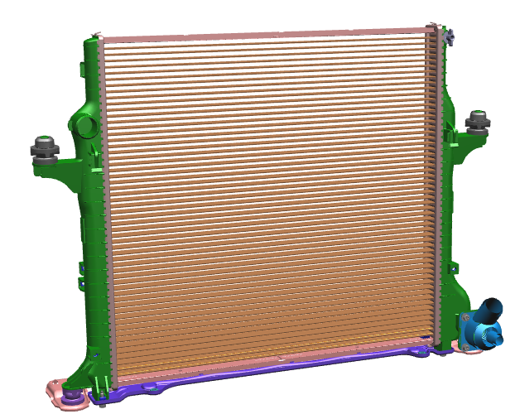 | 587.3 | 553.03 | 25.9 | NA | 3 | 65

